Hoja1
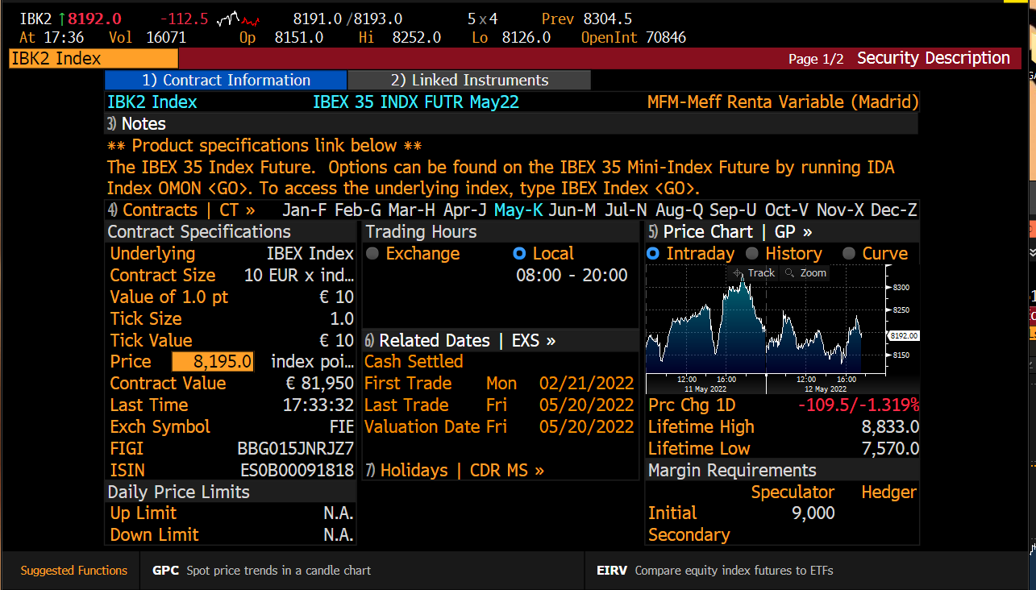
 | Price | 8,193 €
 | Contract Size | 10

 | PATRIMONIO | CONTRATOS | 1/8 redondeo
TREA SICAV IBERIA | 1,267,340 € | 15 | 2
CAJAMAR ESPAÑA | 22,745,274 € | 278 | 35
BOLSA SELEECCION | 8,098,524 € | 99 | 12
CHALLENGE SPAIN | 62,336,257 € | 761 | 95

